I. Timing Constants
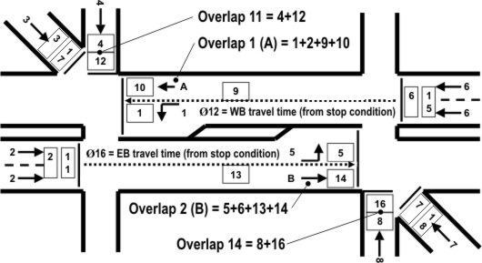
 | Texas Diamond Coordination Worksheet - (revised May, 2015)
 | 1

 | Shortway % Allowed |  | 11 |  |  |  |  |  |  | Enter values in boxes with pink border

 | Phase | 1 | 2 | 3 | 4 | 5 | 6 | 7 | 8
 | No Shortway? | 0 | 0 |  | 0 | 0 | 0 |  | 0
 | Min(Max Init) | 3 | 3 | 3 | 3 | 3 | 3 | 3 | 3
 | Yellow | 3 | 3 | 3 | 3 | 3 | 3 | 3 | 3
 | All-Red | 0 | 0 | 0 | 0 | 0 | 0 | 0 | 0
 | Min Split 4Ø | 7 | 13 |  | 7 | 7 | 13 |  | 7
 | Min Split 3Ø | 7 | 7 |  | 7 | 7 | 7 |  | 7
 | Min Split SG | 14 | 7 | 7 | 7 | 7 | 7 | 7 | 7

 | Phase | 9 | 10 | 11 | 12 | 13 | 14 | 15 | 16
 | No Shortway? | 0 | 0 | 0 | 0 | 0 | 0 | 0 | 0
 | Min(Max Init) | 3 | 3 | 2 | 2 | 3 | 3 | 2 | 2
 | Yellow | 3 | 3 | 3 | 3 | 3 | 3 | 3 | 3
 | All-Red | 0 | 0 | 0 | 0 | 0 | 0 | 0 | 0
 | Min Split 4Ø | 7 |  | 6 | 6 | 7 |  | 6 | 6
 | Min Split 3Ø |  | 7 |  |  |  | 7

 | Note: The frontage road extensions below apply only to the 4-phase Diamond Mode

 | Frontage Road Extensions (Ø12 and Ø16) Timed Concurrently With the Beginning of Ø2 and Ø6:

 | Stopped Vehicle Moving: |  |  |  | Travel Time (sec) |  | Max Front Rd Extension (sec)
 | moving LEFT to RIGHT from Ø2 |  |  |  | 8 |  | 8 |  | NB Fr Rd
 | moving RIGHT TO LEFT from Ø6 |  |  |  | 8 |  | 8 |  | SB Fr Rd

 | General Notes:

1) | Free Diamond Operation is provided for all TS1, TS2, 970 and 2070 controller models. Initialize the controller as
 | a DIAMOND controller type under MM->8->4->1 (the run timer must be turned OFF under MM->1->7).

 | The Phase Mode for the diamond can then be varied under Unit Parameters (MM->1->2->1).

2) | Coordinated Diamond Operation is provided using the OTHER force-off option under MM->2->1 (left screen)
 | with the force-off+ option set to EASY under MM->2->1 (right screen).

 | Shortway or Longway may be used as a transition method (set Correction to SHORT/LONG under MM->2->1)
 | and program the shortway and/or longway % desired for the pattern. The spreadsheet verifies that the splits
 | provided satisfy the minimum vehicle phase times with any shortway applied (ped min times are not checked).

3) | Phases 12 and 16 are used to extend the frontage road overlaps during 4Ø operation. These phases run
 | concurrently with phases 2 and 6 and provide additional capacity for the interchange.

 | The travel time check in this spreadsheet insures that the downstream signals are green prior to the arrival of the
 | platoons from phases 2 and 6. You enter travel times moving moving from one frontage road to the next when Ø2
 | and Ø6 turn green. This travel time should also be used to limit the active max value (max 1 or max 2) for Ø12 and Ø16.

4) | Phases 9, 11, 12, 13, 15 and 16 are not used in 3Ø operation.

5) The 4-phase sequence assumed in these calculations is 25 -> 45 -> 16 -> 18

 | Phases 3 and 7 (the diagonal approaches in the above schematic) are not considered.
 | If phases 3 and 7 are used, the 6-phase sequence is 25 -> 35 -> 45 -> 16 -> 17-> 18

6) | 1" is added to the min time checks to avoid problems later if the amount of shortway is increased.

7) | Typically, phases Ø4, 8, 12 and 16 should be omitted from shortway as "No Shortway Phases" under MM->2->5
 | This minimizes the sum of the frontage road phases and extensions as low as possible.

8) | In 4-phase operation, the minimum split time for Ø2 is the sum of the min vehicle times for Ø2 + Ø16.
 | In 4-phase operation, the minimum split time for Ø6 is the sum of the min vehicle times for Ø6 + Ø12.

9) | This spreadsheet adds 1" to the minimum vehicle times as a buffer if the Min Green is < 2"

10) | Added a warning if any phase yellow time is less than 3" (MUTCD requirement). This can be overriden
 | in the controller with Unit Parameter (MM->1->2->1) - "Allow < 3 sec Yel"

11) | Added a warning if any phase min green time is zero

12 | The spreadsheet assumes that the clearance times for the overlaps is timed with the included phase that
 | terminates the overlap - I.e., you should set "Parent Ø Clearance" to ON under MM->1->5->1

II. 4 Phase
II. Texas 4 Phase Diamond Operation |  |  |  |  |  |  |  | Enter values in boxes with pink border
 | Ch 4 = Olap 11 = Ø4 + Ø12 = 33
 |  | Ø4 (7) | 25 |  | Cycle Length: | 100
 |  | extension Ø12 (8) | 8 |  |  |  |  | RIGHT
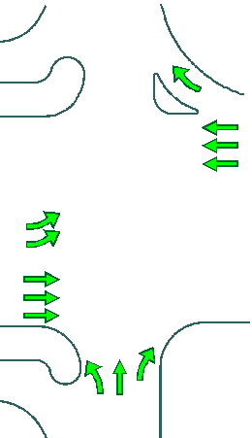
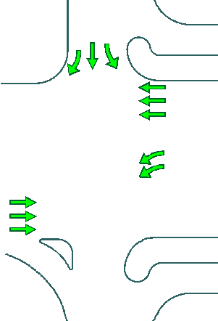
 |  |  |  |  | Calculated Values
 |  |  |  |  | ** Do Not Modify ** |  |  |  |  | Ø6 (13)
 |  |  |  |  | 67 |  |  |  |  | 25

 |  |  |  |  | 42
 |  |  |  |  |  | 42
 | Ø2 (13)
 | 25 |  |  |  |  | 67

 |  |  | LEFT |  |  |  | Ø8 (7) | 25
 |  |  |  |  |  |  | extension Ø16 (8) | 8
 |  |  |  |  |  | Ch 8 = Olap 14 = Ø8 + Ø16 = 33
 | Phase | 1 | 2 | 3 | 4 | 5 | 6 | 7 | 8
 | Split Time | 42 | 25 | 0 | 25 | 42 | 25 | 0 | 25
 | Min Check

 | Phase | 9 | 10 | 11 | 12 | 13 | 14 | 15 | 16
 | Split Time | 9 | 0 | 0 | 8 | 9 | 0 | 0 | 8
 | OMIT |  |  | OMIT |  |  |  | OMIT
 | Min Check
Notes Related to 4Ø Operation

1) | The cycle length is specified and splits are entered for traffic entering the diamond on phases Ø 2,4,6 and 8.

2) | Phase 1 is balanced to insure that Ø1+2+4+12 equals the cycle length.

 | Phase 5 is balanced to insure that Ø5+6+8+16 equals the cycle length

3) | See note 3) under tab "I. Timing Constants" for advance green phases Ø12 and Ø16.

4) | Splits for Ø9 and Ø13 are based on their min times + 2"

5) | Phases 3, 7, 11 and 15 must be enabled in Phase Options if the approaches controlled by 3 and 7 are used.
 | Otherwise, OMIT phases 11 and 15 in the split table to insure a 0" split for 11 and 15 passes the coord diagnostic

III. 3 Phase
III. Texas 3 Phase Diamond Operation |  |  |  |  |  |  |  | Enter values in boxes with pink border

 |  | Ø4 (7) | 10 |  | Cycle Length: | 35 |  | RIGHT

 |  |  |  |  | Calculated Values
 |  |  |  |  | ** Do Not Modify **
 |  |  |  |  |  |  |  |  |  | Ø6 (7)
 |  |  |  |  | 25 |  |  |  |  | 15

 |  |  |  |  | 10 | 10

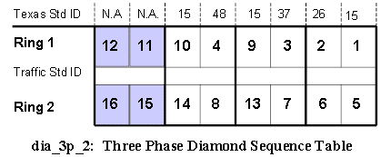
 | Ø2 (7)
 | 15 |  |  |  |  | 25

 |  |  | LEFT
 |  |  |  |  |  |  |  | 10 | Ø8 (7)
 | Note: Phases 9, 12, 13 and 16 are not used in 3Ø operation
 | Phase | 1 | 2 | 3 | 4 | 5 | 6 | 7 | 8
 | Split Time | 10 | 15 | 0 | 10 | 10 | 15 | 0 | 10
 | Min Check

 | Phase | 9 | 10 | 11 | 12 | 13 | 14 | 15 | 16
 | Split Time | 0 | 9 | 0 | 0 | 0 | 9 | 0 | 0
 | OMIT | OMIT |  |  |  | OMIT
 | Min Check

Notes Related to 3Ø Operation

1) | The cycle length is specified and splits are entered for traffic entering the diamond on phases Ø 2, 4, 6 and 8.

2) | The interior left-turn movements are balanced to insure that:

 |  | Ring 1 = cycle length = Ø2+1+ 4

 |  | Ring 1 = cycle length = Ø6+ 5+ 8

3) | Phase 10 is dynamically inserted in the sequence if phase 4 is skipped.
 | Phase 10 split is set equal to minimum for phase 10 + 2"

4) | Phase 14 is dynamically inserted in the sequence if phase 8 is skipped.
 | Phase 14 split is set equal to minimum for phase 14 + 2"

5) | Split times for phases 10 and 14 are based on their min times + 2"

6) | Phases 3, 7, 9 and 13 must be enabled in Phase Options if the approaches controlled by 3 and 7 are used.
 | Otherwise, OMIT phases 9 and 13 in the split table to insure a 0" split for 9 and 13 passes the coord diagnostic

IV. Sep Intersection
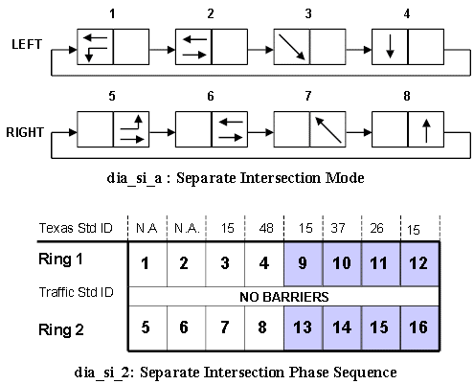
IV. Texas Sep (Separate Intersection) Operation |  |  |  |  |  |  |  | Enter values in boxes with pink border

 |  | Ø4 (7) | 15 |  | Cycle Length: | 40 |  | RIGHT

 |  |  |  |  | Calculated Values
 |  |  |  |  | ** Do Not Modify **
 |  |  |  |  |  |  |  |  |  | Ø6 (7)
 |  |  |  |  | 25 |  |  |  |  | 15

 |  |  |  |  | 10 | 10

 | Ø2 (7)
 | 15 |  |  |  |  | 25

 |  |  | LEFT
 |  |  |  |  |  |  |  | 15 | Ø8 (7)
 | Note: Phases 9-16 are not used in Sep operation
 | Phase | 1 | 2 | 3 | 4 | 5 | 6 | 7 | 8
 | Split Time | 10 | 15 | 0 | 15 | 10 | 15 | 0 | 15
 | Min Check

Notes Related to Separate Intersection Operation

1) | The cycle length is specified and splits are entered for traffic entering the diamond on phases Ø 2, 4, 6 and 8.

2) | Set a coord phase in each ring during coordination. The offset in the pattern table references the coord phase in ring 1.
 | The offset in the Pattern+ table references the coord phase(s) in the other rings

3) | The interior left-turn movements are balanced to insure that:

 |  | Ring 1 = cycle length = Ø2+1+ 4

 |  | Ring 1 = cycle length = Ø6+ 5+ 8

4) | You may copy the split times from this spreadsheet directly into StreetWise.

